Sheet1
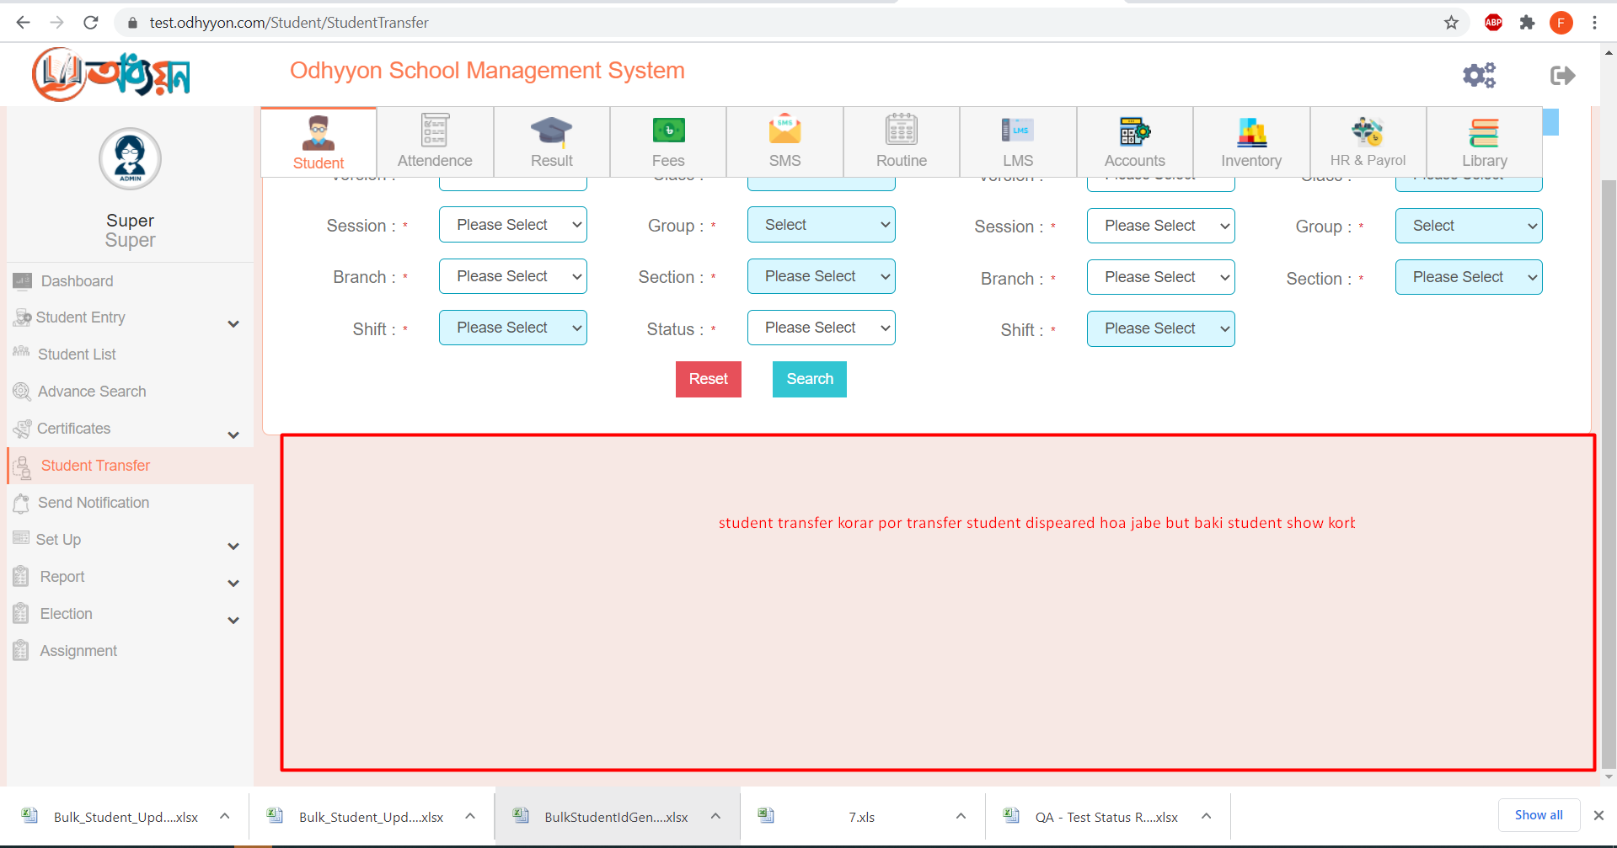
 | 01. add quick student - admin typy fields is static should be create dynamic

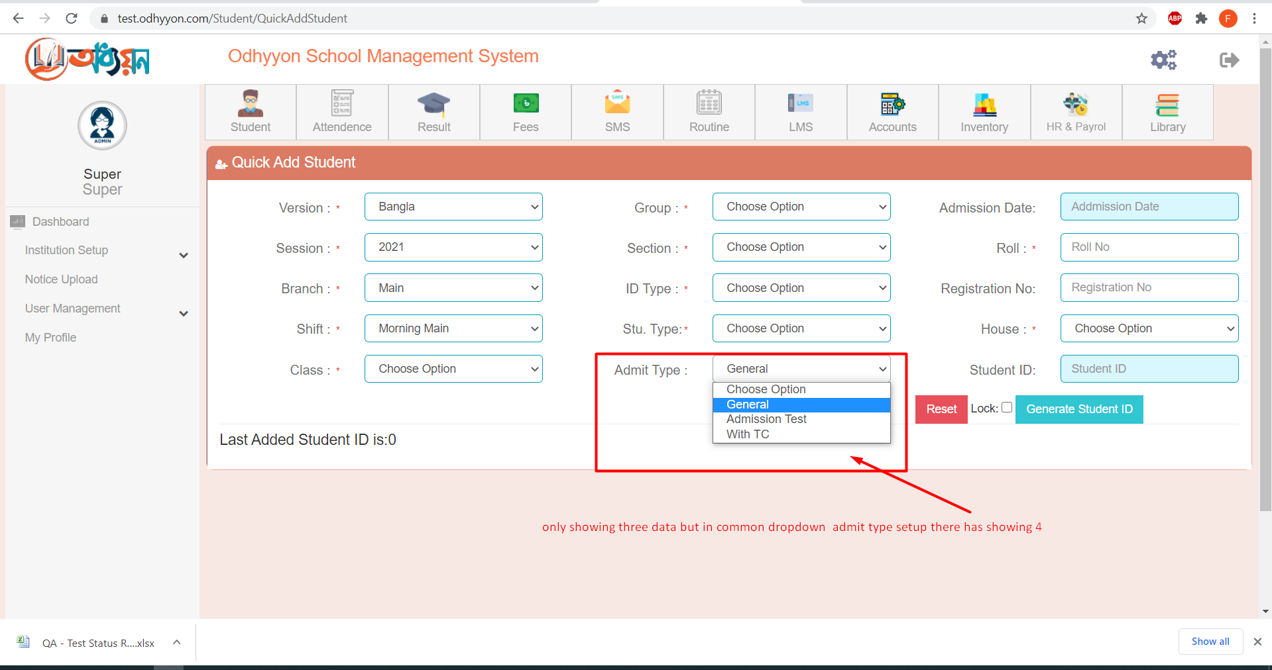

 | 02. student list - student list pdf report - add seriol no in pdf report

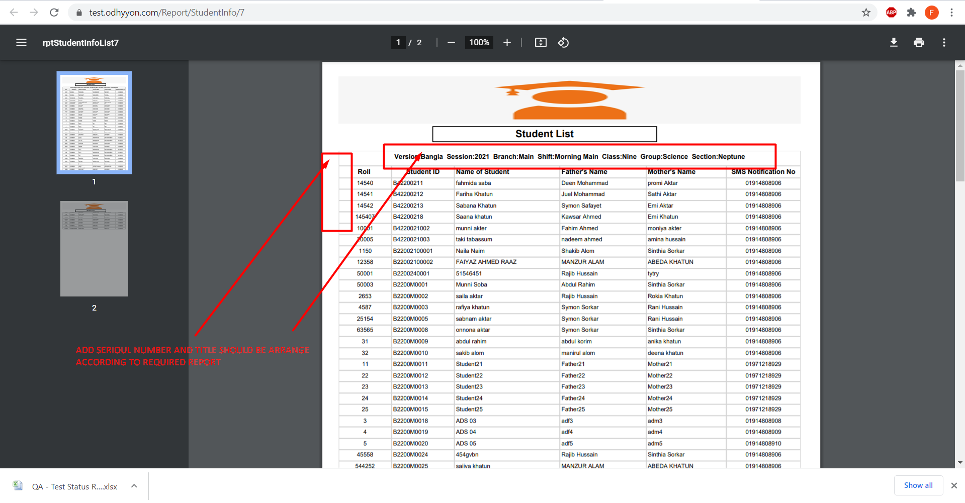

 | 03. bulk student upload - upload type (for update)- to see download pdf that has not showing pre post office data in the pdf page.

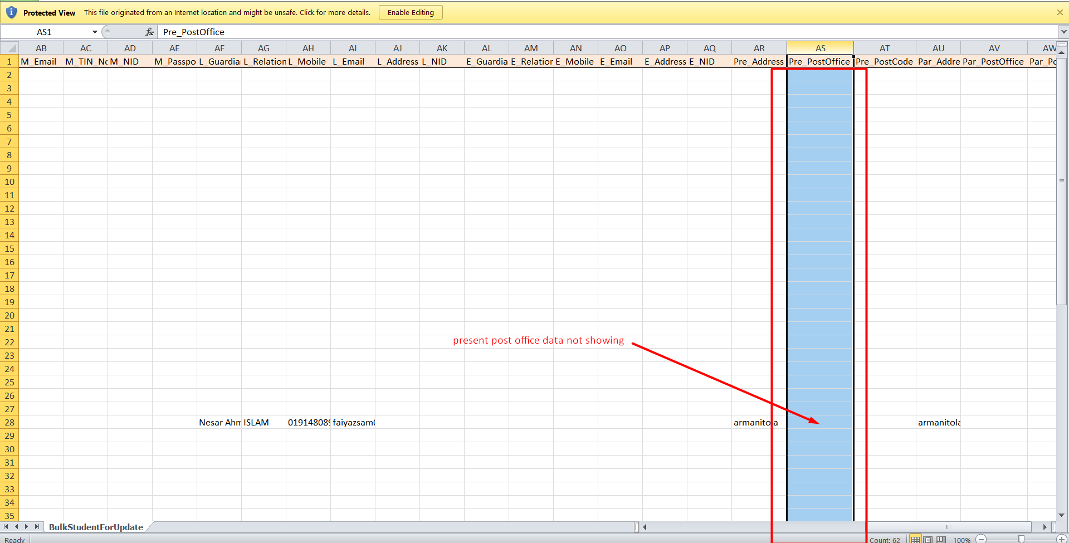

04. advance search - student info tab - max field type not editting.

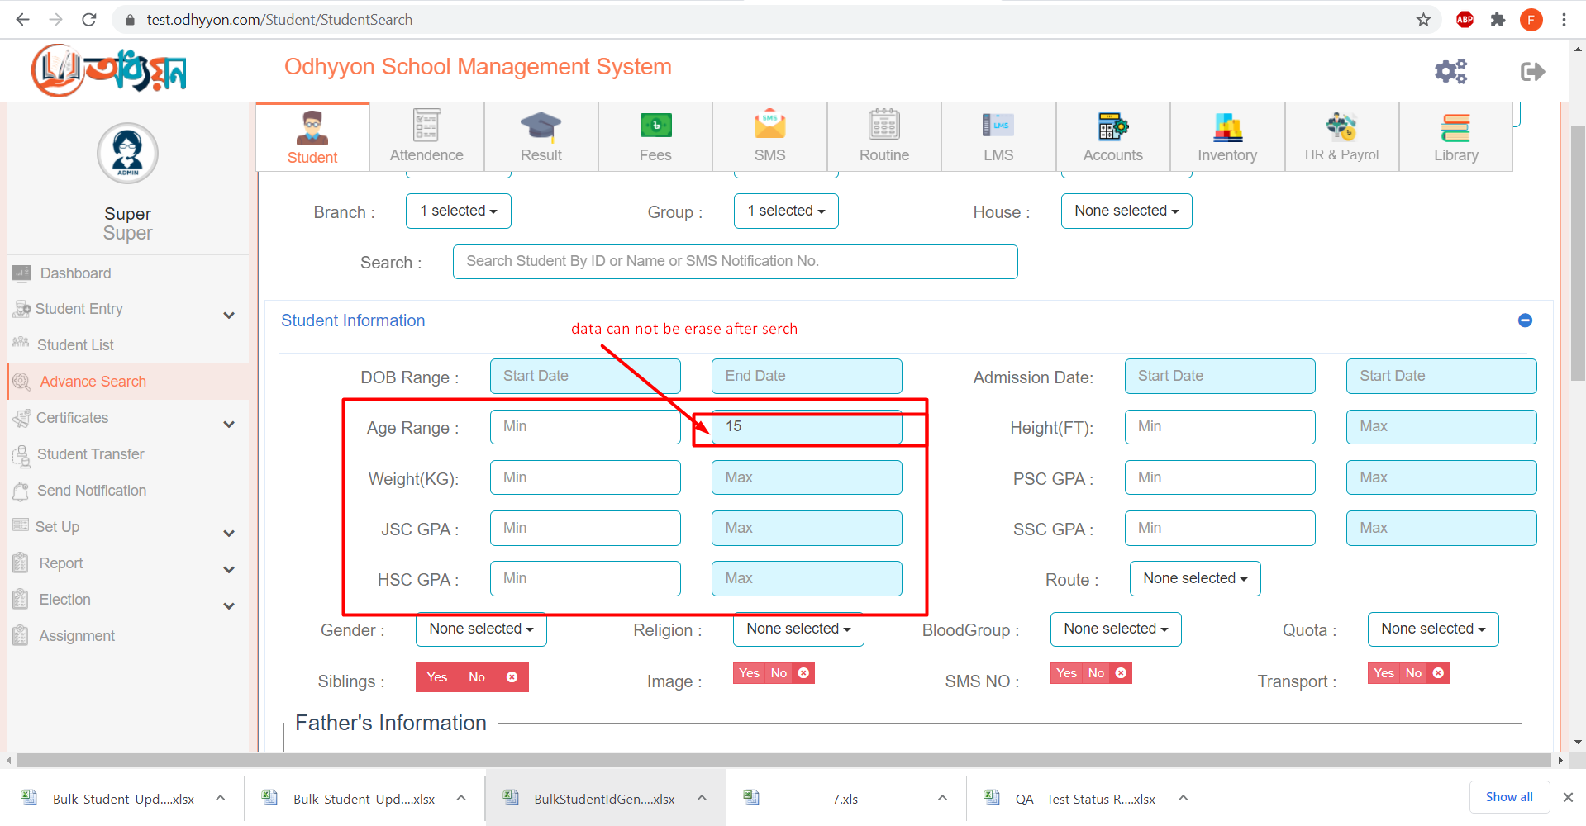

05. report - dynamic report - check box selected issues

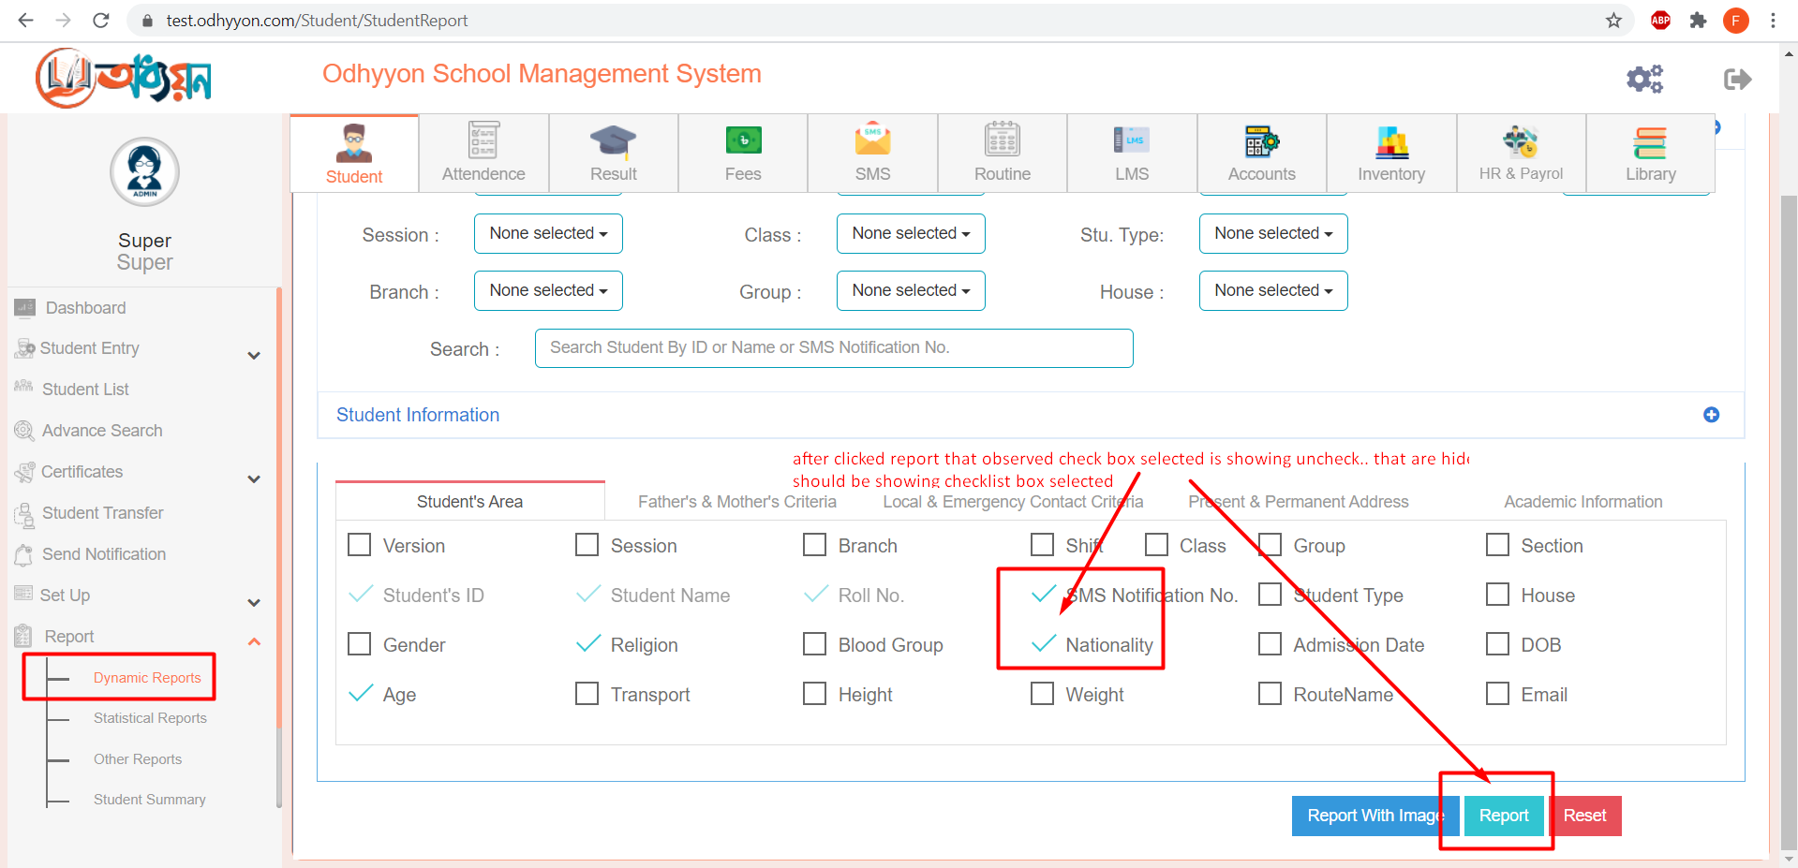

06. student transfer - remaining student should be staying in the page. only hide transfer student

